Initial HVS Rego Check List
Initial Conditional Registration Check List
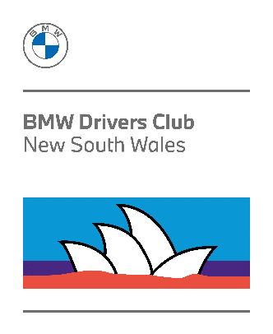
 | Member Family Name
 | Member given Name
 | Member Number
 | Vehicle Model
 | Vehicle Registration Number
 | Vehicle Odometer Reading (km or Miles)
 | Date of renewal application:

Item | Details | Check (Yes or No) | Comments
1 | Financial Club Membership for full period of Rego? |  | If 'No' then renew membership on-line
2 | BMW Club Historic Vehicle Statutory Declaration signed and witnessed |  | Form must be formally witnessed Refer Page 2 of form for details | Documents to be submitted in PDF format
3 | Current NSW Registration Certificate |  | Information used to update member's vehicle details
4 | Pink or Blue Slip safety inspection |  | Inspection Report Number and date performed must be visible
 | Application for Conditional Registration Form 45070939
5 | Historic Vehicle Declaration Form 45070967 (preference for member to only use edited PDF file) |  | Once this file has been electronically edited, please Save to a local device folder. The saved version is to be submitted
6 | Photo 1 Front 3/4 view |  | ALL photos must be in JPEG format with time and date information provided. (current newspaper in foreground can be sufficient if the meta data is not available) | Photgraphs to be submitted in JPEG format (several emails if necessary)
7 | Photo 2 Rear 3/4 view
8 | Engine Bay
9 | Interior (Seats)
10 | Interior Dashboard (with Odometer Reading)
11 | Front Wheel / Brake assembly
12 | Rear Wheel / Brake assembly
13 | Suspension Front
14 | Suspension Rear
15 | Payment of $15.00 for return of HVD |  | Email remittance advice to historic@bmwclubnsw.asn.au as proof of payment
 |  | Resubmit Missing information | Email all files to historic@bmwclubnsw.asn.au Documents shall only be accepted in PDF format and Photos in JPEG format, as attachments

